20181228
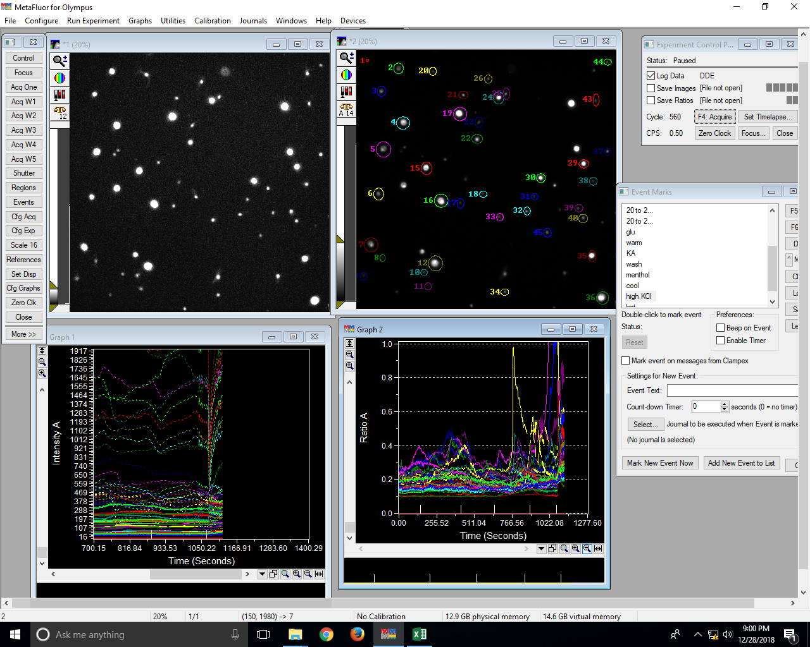
File: DDELog(Excel:20181228 1 1)::
Date: Fri Dec 28 2018 20:41:58.882
0 | Clock reset to 0.0 |  |  |  |  |  |  |  |  |  |  |  |  |  |  |  |  |  |  |  |  |  |  |  |  |  |  |  |  |  |  |  |  |  |  |  |  |  |  |  |  |  |  |  |  |  |  |  |  |  |  |  |  |  |  |  |  |  |  |  |  |  |  |  |  |  |  |  |  |  |  |  |  |  |  |  |  |  |  |  |  |  |  |  |  |  |  |  |  |  |  |  |  |  |  |  |  |  |  |  |  |  |  |  |  |  |  |  |  |  |  |  |  |  |  |  |  |  |  |  |  |  |  |  |  |  |  |  |  |  |  |  |  |  |  |  | 0.24679634171 |  |  | 0.2642089883 |  |  | 0.15876780606 |  |  | 0.34803896452 |  |  | 0.21472366722 |  |  | 0.17707951518 |  |  | 0.23839960874 |  |  | 0.24395826828 |  |  | 0.22919195715 |  |  | 0.20561340151 |  |  | 0.1315812001 |  |  | 0.13464036336 |  |  | 0.18310819507 |  |  | 0.15095256747 |  |  | 0.15331009524 |  |  | 0.14848506867 |  |  | 0.13098951402 |  |  | 0.14173891974 |  |  | 0.2008065104 |  |  | 0.16842757183 |  |  | 0.12948783737 |  |  | 0.15345126035 |  |  | 0.13234143821 |  |  | 0.17324469948 |  |  | 0.20246211105 |  |  | 0.11584720139 |  |  | 0.11374382228 |  |  | 0.10278209365 |  |  | 0.12362098423 |  |  | 0.17892100504 |  |  | 0.13044699569 |  |  | 0.28260804726 |  |  | 0.1624442616 |  |  | 0.10466087234 |  |  | 0.10050217642 |  |  | 0.15953552694 |  |  | 0.17341922267 |  |  | 0.18322939326 |  |  | 0.14350898436
0.37 | 0 | 0 | 0 | 76.64 | 341.43 | 0.23 | 52.17 | 282.96 | 0.2 | 111.53 | 765.43 | 0.15 | 85.09 | 350.21 | 0.25 | 59.84 | 290.41 | 0.22 | 73.9 | 401.15 | 0.19 | 26.52 | 115.75 | 0.27 | 24.22 | 116.66 | 0.25 | 45.62 | 262.42 | 0.18 | 21.42 | 123.3 | 0.23 | 106.8 | 931.29 | 0.12 | 68.12 | 548.41 | 0.13 | 91.14 | 542.89 | 0.17 | 115.09 | 845.39 | 0.14 | 132.59 | 895.13 | 0.15 | 25.24 | 173.62 | 0.18 | 36.22 | 309.39 | 0.13 | 170.91 | 1234.71 | 0.14 | 63.09 | 344.39 | 0.19 | 36.77 | 219.65 | 0.19 | 89.5 | 472.11 | 0.2 | 38.23 | 248.47 | 0.18 | 144.77 | 1161.81 | 0.13 | 67.02 | 444.95 | 0.16 | 56.26 | 287.85 | 0.21 | 205.83 | 1819.63 | 0.12 | 171.39 | 1504.29 | 0.12 | 163.68 | 1583.98 | 0.11 | 184.02 | 1482.72 | 0.13 | 33.22 | 211.29 | 0.19 | 43.86 | 339.78 | 0.15 | 58.48 | 259.98 | 0.24 | 38.54 | 258.33 | 0.17 | 167.66 | 1569.06 | 0.11 | 167.52 | 1616.7 | 0.1 | 61.35 | 410.45 | 0.16 | 47.17 | 307.59 | 0.17 | 62.24 | 384.77 | 0.17 | 37.39 | 267.2 | 0.17 | 65.43 | 135.34 | 0.51 | 56.11 | 356.4 | 0.17 | 40.58 | 283.75 | 0.16 | 31.91 | 185.71 | 0.19 | 27.76 | 219.34 | 0.16 | 0.22446768005 | 0.24679634171 | 90.952596177 | 0.18437234945 | 0.2642089883 | 69.782769556 | 0.14570894791 | 0.15876780606 | 91.774870189 | 0.24296850461 | 0.34803896452 | 69.81071931 | 0.20605351055 | 0.21472366722 | 95.962179309 | 0.18422036645 | 0.17707951518 | 104.03256766 | 0.22911447084 | 0.23839960874 | 96.105220998 | 0.20761186354 | 0.24395826828 | 85.101384346 | 0.17384345705 | 0.22919195715 | 75.850592323 | 0.17372262774 | 0.20561340151 | 84.489934246 | 0.11467963792 | 0.1315812001 | 87.155032658 | 0.12421363578 | 0.13464036336 | 92.255867916 | 0.16787931257 | 0.18310819507 | 91.683123468 | 0.13613835035 | 0.15095256747 | 90.186177438 | 0.14812373622 | 0.15331009524 | 96.617079251 | 0.1453749568 | 0.14848506867 | 97.905437968 | 0.1170690714 | 0.13098951402 | 89.372857264 | 0.13842116772 | 0.14173891974 | 97.659251232 | 0.18319347252 | 0.2008065104 | 91.228851172 | 0.16740268609 | 0.16842757183 | 99.391497648 | 0.18957446358 | 0.12948783737 | 146.40329735 | 0.1538616332 | 0.15345126035 | 100.26742879 | 0.12460729379 | 0.13234143821 | 94.155916299 | 0.15062366558 | 0.17324469948 | 86.942726695 | 0.19544901859 | 0.20246211105 | 96.536096343 | 0.11311640279 | 0.11584720139 | 97.642758242 | 0.11393414834 | 0.11374382228 | 100.16732869 | 0.10333463806 | 0.10278209365 | 100.5375882 | 0.12410974425 | 0.12362098423 | 100.39536979 | 0.15722466752 | 0.17892100504 | 87.873789598 | 0.12908352463 | 0.13044699569 | 98.954770061 | 0.22494038003 | 0.28260804726 | 79.594470931 | 0.14918902179 | 0.1624442616 | 91.840130469 | 0.10685378507 | 0.10466087234 | 102.09525554 | 0.10361848209 | 0.10050217642 | 103.10073451 | 0.1494700938 | 0.15953552694 | 93.690788924 | 0.15335349004 | 0.17341922267 | 88.429349224 | 0.16175897289 | 0.18322939326 | 88.282218271 | 0.13993263473 | 0.14350898436 | 97.507926317
2.37 | 0 | 0 | 0 | 77.41 | 342.71 | 0.23 | 53.04 | 284.03 | 0.2 | 112.98 | 766.89 | 0.15 | 86.39 | 350.7 | 0.26 | 60.32 | 290.29 | 0.22 | 74.11 | 402.83 | 0.19 | 26.99 | 116.96 | 0.28 | 24.34 | 117.36 | 0.27 | 46.32 | 265.48 | 0.18 | 21.36 | 125.22 | 0.22 | 107.94 | 931.76 | 0.12 | 69.23 | 550.19 | 0.13 | 92.1 | 544.36 | 0.17 | 116.84 | 846.39 | 0.14 | 133.77 | 899.69 | 0.15 | 25.43 | 174.17 | 0.18 | 35.84 | 310.35 | 0.13 | 171.68 | 1234.16 | 0.14 | 63.7 | 347.04 | 0.19 | 37 | 221.06 | 0.19 | 91.08 | 466.78 | 0.2 | 38.33 | 250.21 | 0.17 | 145.56 | 1165.93 | 0.13 | 67.49 | 445.33 | 0.16 | 56.5 | 287.21 | 0.21 | 207.1 | 1825.14 | 0.12 | 171.59 | 1509.6 | 0.12 | 163.4 | 1590.57 | 0.1 | 182.57 | 1490.63 | 0.12 | 33.47 | 212.3 | 0.19 | 44.08 | 341.95 | 0.15 | 58.08 | 259 | 0.24 | 38.9 | 259.47 | 0.17 | 167.88 | 1580.45 | 0.11 | 167.07 | 1626.32 | 0.1 | 61.2 | 411.74 | 0.16 | 47.14 | 308.18 | 0.16 | 62.28 | 386.06 | 0.17 | 36.74 | 270.97 | 0.16 | 66.31 | 131.15 | 0.53 | 56.39 | 358.32 | 0.17 | 40.66 | 285.36 | 0.16 | 31.57 | 186.49 | 0.19 | 27.6 | 221.82 | 0.16 | 0.22587610516 | 0.24679634171 | 91.523279316 | 0.18674083724 | 0.2642089883 | 70.679214375 | 0.14732230176 | 0.15876780606 | 92.791042103 | 0.24633589963 | 0.34803896452 | 70.778253224 | 0.20779220779 | 0.21472366722 | 96.771916428 | 0.18397338828 | 0.17707951518 | 103.89309463 | 0.2307626539 | 0.23839960874 | 96.796574086 | 0.20739604635 | 0.24395826828 | 85.012919551 | 0.17447642007 | 0.22919195715 | 76.126763888 | 0.17057977959 | 0.20561340151 | 82.961411238 | 0.11584528205 | 0.1315812001 | 88.040907027 | 0.12582925898 | 0.13464036336 | 93.455822491 | 0.16918950694 | 0.18310819507 | 92.398653636 | 0.13804510923 | 0.15095256747 | 91.449328449 | 0.1486845469 | 0.15331009524 | 96.982880787 | 0.14600677499 | 0.14848506867 | 98.330947545 | 0.11548251974 | 0.13098951402 | 88.161652173 | 0.13910676087 | 0.14173891974 | 98.14295264 | 0.18355232826 | 0.2008065104 | 91.407558399 | 0.1673753732 | 0.16842757183 | 99.375281248 | 0.1951240413 | 0.12948783737 | 150.68908807 | 0.15319131929 | 0.15345126035 | 99.830603504 | 0.1248445447 | 0.13234143821 | 94.33518812 | 0.15155053556 | 0.17324469948 | 87.477732949 | 0.19672016991 | 0.20246211105 | 97.163942866 | 0.11347074745 | 0.11584720139 | 97.948630684 | 0.11366587175 | 0.11374382228 | 99.931468339 | 0.10273046769 | 0.10278209365 | 99.949771447 | 0.12247841517 | 0.12362098423 | 99.075748292 | 0.15765426284 | 0.17892100504 | 88.113892943 | 0.12890773505 | 0.13044699569 | 98.820010664 | 0.22424710425 | 0.28260804726 | 79.3491574 | 0.14992099279 | 0.1624442616 | 92.290728719 | 0.1062229112 | 0.10466087234 | 101.49247643 | 0.10272886025 | 0.10050217642 | 102.21555782 | 0.14863748968 | 0.15953552694 | 93.168896316 | 0.15296255435 | 0.17341922267 | 88.203921109 | 0.16132207429 | 0.18322939326 | 88.043774757 | 0.13558696535 | 0.14350898436 | 94.479774872
4.37 | 0 | 0 | 0 | 78.2 | 341.77 | 0.24 | 53.6 | 282.51 | 0.2 | 113.83 | 763.98 | 0.15 | 86.72 | 349.92 | 0.26 | 61.05 | 288.98 | 0.22 | 74.01 | 399.88 | 0.19 | 26.87 | 115.88 | 0.28 | 24.02 | 115.34 | 0.26 | 47.35 | 264.32 | 0.18 | 22.27 | 123.94 | 0.22 | 109.18 | 930.62 | 0.12 | 69.08 | 549.12 | 0.13 | 93.26 | 542.01 | 0.18 | 117.03 | 845.85 | 0.14 | 135.78 | 901.4 | 0.15 | 25.66 | 172.18 | 0.18 | 35.73 | 310.14 | 0.13 | 172.37 | 1231.37 | 0.14 | 64.31 | 346.59 | 0.19 | 36.85 | 218.42 | 0.19 | 91.07 | 466.23 | 0.2 | 38.26 | 247.89 | 0.17 | 145.98 | 1164.86 | 0.13 | 67.74 | 443.01 | 0.16 | 56.55 | 283.02 | 0.21 | 207.77 | 1827.38 | 0.12 | 171.63 | 1511.15 | 0.12 | 162.54 | 1593.08 | 0.1 | 182.65 | 1491.47 | 0.12 | 33.09 | 211.69 | 0.19 | 42.84 | 342.31 | 0.14 | 57.42 | 256.34 | 0.24 | 38.84 | 258.07 | 0.17 | 167.77 | 1584.79 | 0.11 | 166.59 | 1638.16 | 0.1 | 61.14 | 410.69 | 0.16 | 46.64 | 308.61 | 0.16 | 61.64 | 384.99 | 0.17 | 36.48 | 269.33 | 0.16 | 65.87 | 124.42 | 0.57 | 56.38 | 357.09 | 0.17 | 40.44 | 284.68 | 0.16 | 31.91 | 184.75 | 0.19 | 27.38 | 221.41 | 0.16 | 0.22880884806 | 0.24679634171 | 92.711604424 | 0.18972779725 | 0.2642089883 | 71.809743669 | 0.14899604702 | 0.15876780606 | 93.845251576 | 0.24782807499 | 0.34803896452 | 71.206991243 | 0.21126029483 | 0.21472366722 | 98.387056055 | 0.18508052416 | 0.17707951518 | 104.51831426 | 0.23187780463 | 0.23839960874 | 97.26433942 | 0.20825385816 | 0.24395826828 | 85.364541905 | 0.17913892252 | 0.22919195715 | 78.161085907 | 0.17968371793 | 0.20561340151 | 87.389108204 | 0.11731963637 | 0.1315812001 | 89.16139713 | 0.12580128205 | 0.13464036336 | 93.435043483 | 0.17206324607 | 0.18310819507 | 93.968074994 | 0.13835786487 | 0.15095256747 | 91.656516472 | 0.15063234968 | 0.15331009524 | 98.253379495 | 0.14903008479 | 0.14848506867 | 100.36705113 | 0.11520603598 | 0.13098951402 | 87.950578978 | 0.13998229614 | 0.14173891974 | 98.760662489 | 0.18555065062 | 0.2008065104 | 92.402706593 | 0.16871165644 | 0.16842757183 | 100.16866871 | 0.19533277567 | 0.12948783737 | 150.85028805 | 0.15434265198 | 0.15345126035 | 100.58089561 | 0.12531978092 | 0.13234143821 | 94.694286696 | 0.15290851222 | 0.17324469948 | 88.261581846 | 0.19980920076 | 0.20246211105 | 98.689675675 | 0.1136983003 | 0.11584720139 | 98.14505567 | 0.11357575357 | 0.11374382228 | 99.852239255 | 0.10202877445 | 0.10278209365 | 99.267071552 | 0.12246307334 | 0.12362098423 | 99.063337921 | 0.15631347725 | 0.17892100504 | 87.364520011 | 0.12514971809 | 0.13044699569 | 95.939134077 | 0.22399937583 | 0.28260804726 | 79.26149945 | 0.15050180184 | 0.1624442616 | 92.648272308 | 0.1058626064 | 0.10466087234 | 101.14821713 | 0.10169336329 | 0.10050217642 | 101.18523489 | 0.14887141153 | 0.15953552694 | 93.315523123 | 0.15112925699 | 0.17341922267 | 87.146773388 | 0.16010805475 | 0.18322939326 | 87.381206643 | 0.13544722088 | 0.14350898436 | 94.382398066
...
1105.99 | 0 | 0 | 0 | 194.21 | 473.66 | 0.46 | 133.4 | 462.96 | 0.38 | 249.56 | 1063.99 | 0.27 | 160.41 | 437.43 | 0.53 | 133.35 | 365.63 | 0.5 | 146.75 | 491.71 | 0.46 | 60.17 | 162.13 | 0.45 | 49.46 | 159.3 | 0.48 | 86.09
1107.99 | 0 | 0 | 0 | 194.35 | 477.89 | 0.46 | 133.44 | 463.49 | 0.38 | 249.6 | 1071.12 | 0.27 | 160.8 | 440.94 | 0.54 | 133.06 | 370.31 | 0.46 | 146.59 | 497.98 | 0.42 | 61.16 | 161.67 | 0.49 | 49.41 | 158.05 | 0.44 | 87.08
1109.99 | 0 | 0 | 0 | 195.28 | 480.08 | 0.47 | 134.51 | 464.03 | 0.4 | 250.24 | 1076.41 | 0.27 | 161.84 | 443.69 | 0.54 | 133.71 | 375.16 | 0.51 | 147.2 | 503.58 | 0.45 | 61.85 | 161.2 | 0.48 | 50.76 | 156.86 | 0.52 | 88.18
1111.99 | 0 | 0 | 0 | 186.64 | 457.62 | 0.48 | 128.8 | 440.74 | 0.39 | 239.7 | 1029.24 | 0.27 | 155.19 | 424.54 | 0.56 | 128.23 | 361.27 | 0.5 | 141.32 | 484.73 | 0.47 | 59.77 | 152.86 | 0.5 | 48.74 | 149.33 | 0.54 | 84.72
1113.99 | 0 | 0 | 0 | 187.82 | 464.46 | 0.47 | 129.78 | 444.65 | 0.39 | 240.41 | 1043.54 | 0.27 | 156.04 | 429.46 | 0.56 | 129.38 | 365.67 | 0.49 | 141.95 | 493.67 | 0.45 | 61.1 | 153.39 | 0.5 | 50.25 | 149.55 | 0.54 | 85.91
1115.99 | 0 | 0 | 0 | 194.55 | 482.77 | 0.45 | 133.64 | 462.71 | 0.37 | 248.58 | 1090.09 | 0.26 | 160.72 | 450.68 | 0.51 | 132.47 | 385.66 | 0.47 | 145.7 | 519.07 | 0.42 | 62.42 | 158.87 | 0.45 | 50.79 | 154.66 | 0.45 | 89.19
1117.99 | 0 | 0 | 0 | 193.83 | 480.58 | 0.45 | 133.65 | 453.67 | 0.39 | 247.21 | 1093.78 | 0.26 | 161.01 | 450.32 | 0.52 | 131.88 | 387.3 | 0.46 | 145.05 | 521 | 0.43 | 63.34 | 158.2 | 0.51 | 50.61 | 153.02 | 0.48 | 88.44
1119.99 | 0 | 0 | 0 | 194.86 | 478.08 | 0.47 | 135.22 | 453.82 | 0.41 | 248.47 | 1096.36 | 0.27 | 161.57 | 453.15 | 0.53 | 132.86 | 389.31 | 0.48 | 146.38 | 526.03 | 0.45 | 64.28 | 155.77 | 0.55 | 52.72 | 150.21 | 0.54 | 89.82

